Explanatory Note
STAKEHOLDER PREFERENCE TOOL

The Stakeholder Preference Tool is designed to assess stakeholder preferences for sustainable coastal development and the implementation of measures. It aims at supporting a guided discussion on and raising awareness about local issues and involving stakeholders systematically. Thereby, it helps to achieve a common understanding and perception of an issue and to develop a vision for the future development of an area.
For this purpose, the relative importance of different parameters/criteria are determined in a weighting exercise. This is achieved through a moderated exercise in which local stakeholders discuss the relative importance of two parameters at a time and try to agree upon a common value. For this, the following steps have to be carried out:
1. Think of an issue that you want to address (using the Systems Approach Framework)
2. Determine success criteria that shall be weighted with the stakeholder preference tool. These are criteria that shall be fulfilled after the implementation of a measure. During the selection of success criteria the three pillars of sustainability (environmental quality, economics, social well-being) shall be considered.
- e.g. Environmental Quality: Improved water quality; Economics: Reduced tourism seasonality; Social well-being: Improved accessibility to the coast, Provision of recreational opportunities
3. Insert the selected success criteria into the weighting matrix (Y-axis). The matrix will expand automatically as you add more criteria.
4. Compare two criteria at a time and determine a score based on their relative importance. Hereby, it is asked whether Criterion_{y-axis} is more or less (or equally) important than Criterion_{x-axis}. Adjustments can be made using "slightly" or "much" less or more important. (see Legend below for all possible answering options and their respective scores)
5. Insert the score into the Input cell
- e.g. if the consensus is that "Environmental quality is more important than Economics" the score 3 is entered into the Input cell
6. Continue until all Input cells in the matrix are filled.
7. After all comparisons were made, a weight coefficient for each criterion is shown to the left of each criterion on the y-axis. The weight coefficient indicates the relative importance of each criterion.
The weighting exercise shall be conducted in the Issue Identification step of the Systems Approach Framework. It can be reapplied in the Consultation step. A comparison of the weight coefficients calculated in both steps shows whether the determined success criteria are still relavent for stakeholders and if and how their perception changed over time. Moreover, the success indicators can be helpful for the determination of optional indicators for the indicator based evalution tool developed within BaltCoast, which is then applied for the purpose of monitoring success of a measure. (For details on the indicator system see: http://www.baltcoast.net/indicators.html)

Example using overall Sustainability Pillars as parameters for comparison

1. Choose the criteria you want to assess and list them (the matrix will expand automatically as you add more)
2. Compare two criteria at a time and give a weight based on their relative importance (see legend)

3. After comparing all criteria, the weight coefficient for each criterion is calculated automatically

Clearing the matrix

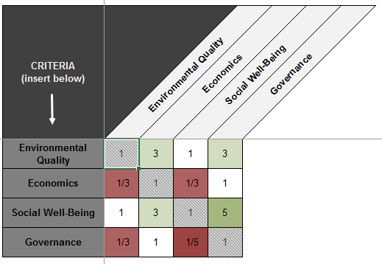

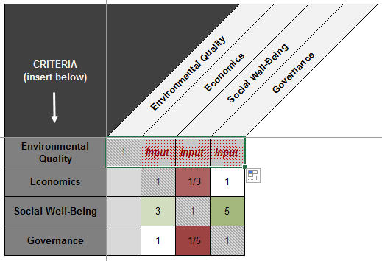

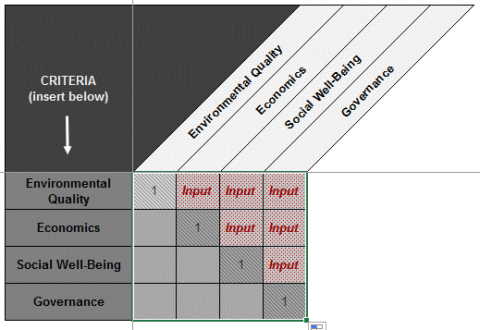

To clear the matrix, click into the first gray shaded cell marked with a 1 and pull the green square to the right until the end of the matrix.

Then, pull it down to the bottom of the matrix.

BONUS BALTCOAST project has received funding from BONUS (Art 185), funded jointly by the EU and Baltic Sea national funding institutions.

